Sentiment Analysis-Distribution
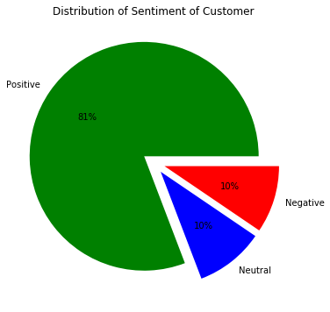
Distribution Based on whole dataset | Distribution Based on different banks

 | Sentiment_Type | Negative | Neutral | Positive
 | BankName
 | Guarenteed Rate Inc | 12 | 5 | 64
 | LoanSnap | 0 | 1 | 39
 | North American Savings Bank | 23 | 19 | 151
 | Pacific Beneficial Mortgage Co | 1 | 7 | 43
 | Reliance First Capital | 10 | 14 | 34
 | Triumph Lending | 1 | 3 | 56
 | Wyndham Capital Mortgage | 1 | 0 | 21

Key_Positive_Words
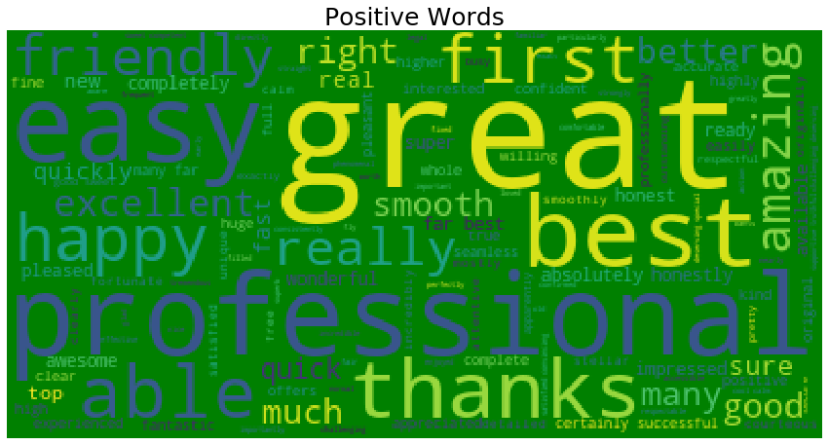

Key_Negative_Words
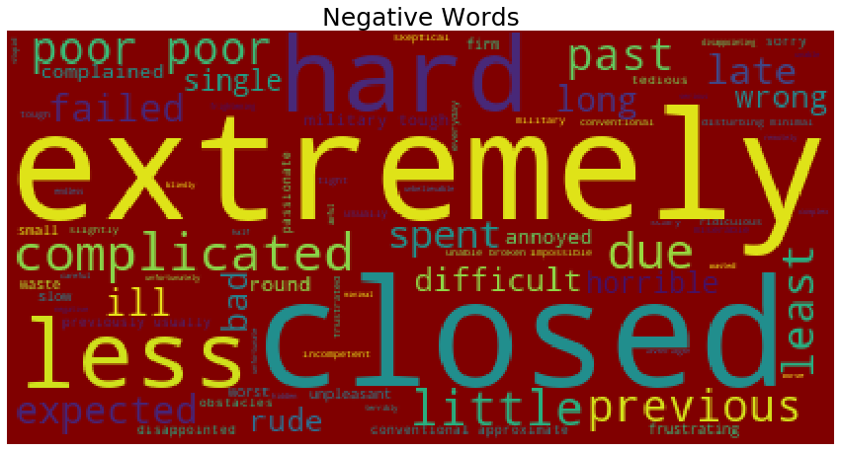

Classification-Sentiment
Multinomial Classification was performed using multiple algorithms to classify reviews into Positive,Negative and Neutral Words

Algorithm Used :
1 | Naïve Bayes Classifier
2 | Random Forest Classifier
3 | AdaBoost Classfier
4 | MLP Classifier

Vectorizers used for creating Term Matrix :
1 | TFIDF Vectorizer
2 | Count Vectorizer

selecting best model :
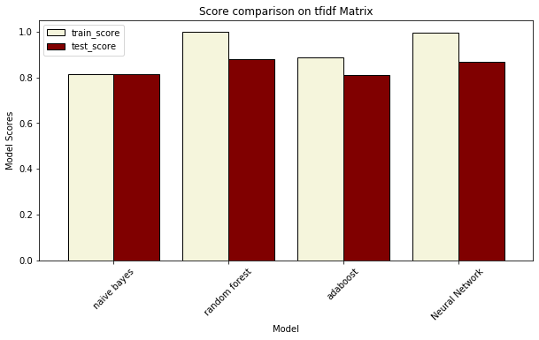
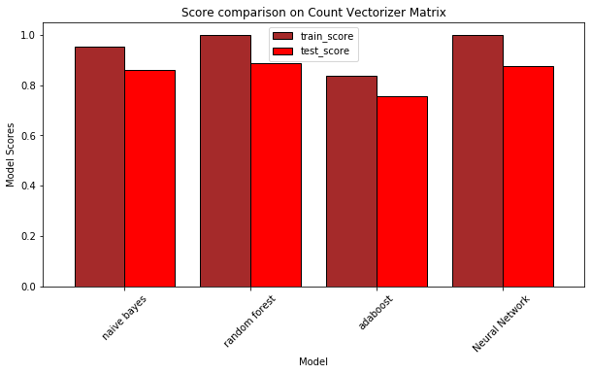

 | Random Forest model output built on TFIDF Matrix was selected

Model validation
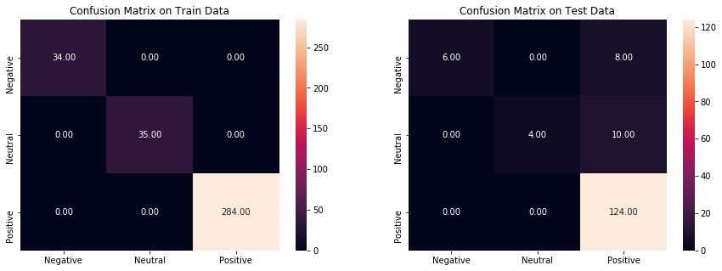
 |  | Interpretation of Confusion Matrix
 |  | During Training the Model :
 |  | All 34 Negatives predicted as Negatives
 |  | All 35 Neutral predicted as Neutrals
 |  | All 284 Positives predicted as Positives

 |  | During Testing the Model Performance :
 |  | 8 out of 14 Negatives Predicted as Positives
 |  | 10 out of 14 Neutrals Predicted as Positives
 |  | while all 124 Positives predicted as Positives

Topic_Modelling
LDA model was built to find key themes from each document

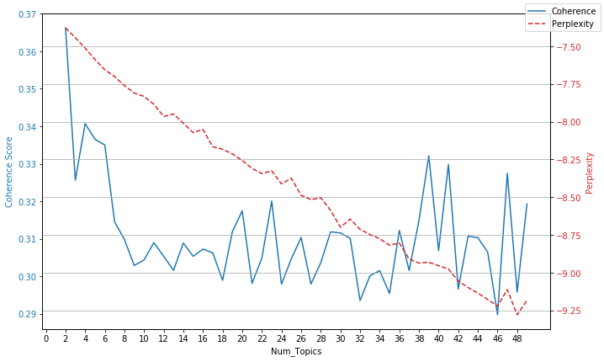
Steps in LDA TOPIC modelling: |  |  | Fig1
1 | id2word dictionary built to find frequency of each word in the corpus
 | Tap to view the word_frequency table

2 | Find best value of number of Topics
 |  | * Multiple model was built using above dictionary with num_topics ranging from 2 to 50

 |  | *We need to select that model which gives lower perplexity and higher coherence(see fig1)

 |  | * model with num_topics = 4 was chosen as best model

3 | Print Topics

 | [(0,
 | '0.017*"loan" + 0.011*"read" + 0.010*"process" + 0.009*"mortgage" + 0.006*"nasb" + 0.006*"get" + 0.005*"recommend" + 0.005*"experience" + 0.005*"time" + 0.005*"great" + 0.005*"closing" + 0.005*"made" + 0.005*"worked" + 0.005*"refinance" + 0.004*"told" + 0.004*"call" + 0.004*"home" + 0.004*"also" + 0.004*"knowledgeable" + 0.004*"company"'),
 | (1,
 | '0.012*"process" + 0.010*"loan" + 0.009*"read" + 0.008*"closing" + 0.007*"made" + 0.006*"team" + 0.006*"experience" + 0.005*"time" + 0.005*"great" + 0.005*"questions" + 0.005*"rate" + 0.005*"everything" + 0.005*"work" + 0.005*"mortgage" + 0.005*"home" + 0.004*"get" + 0.004*"nasb" + 0.004*"easy" + 0.004*"always" + 0.004*"helpful"'),
 | (2,
 | '0.015*"loan" + 0.008*"read" + 0.008*"questions" + 0.007*"process" + 0.007*"best" + 0.007*"mortgage" + 0.007*"time" + 0.006*"work" + 0.006*"recommend" + 0.006*"team" + 0.005*"worked" + 0.005*"home" + 0.005*"get" + 0.005*"adam" + 0.005*"refinance" + 0.005*"professional" + 0.004*"made" + 0.004*"loan_officer" + 0.004*"could" + 0.004*"even"'),
 | (3,
 | '0.013*"process" + 0.011*"time" + 0.010*"read" + 0.009*"loan" + 0.009*"home" + 0.008*"great" + 0.005*"always" + 0.005*"company" + 0.005*"questions" + 0.005*"nasb" + 0.005*"team" + 0.005*"work" + 0.004*"made" + 0.004*"experience" + 0.004*"get" + 0.004*"easy" + 0.004*"recommend" + 0.004*"loan_officer" + 0.004*"went" + 0.004*"mortgage"')]

word frequency table from corpus
Sno | word | freq
0 | great_job | 1
1 | helped | 1
2 | move | 1
3 | person | 1
4 | process | 1
5 | professional | 1
6 | refinance | 1
7 | smoothly | 1
8 | thank | 1
9 | wyndham_capital | 1
10 | helped | 1
11 | professional | 1
12 | thank | 1
13 | correct | 1
14 | excellent | 1
15 | find | 1
16 | helpful | 1
17 | matthew | 2
18 | mortgage | 1
19 | much | 1
20 | product | 1
21 | richardson | 1
22 | service | 1
23 | wyndham_capital | 1
24 | mortgage | 3
25 | beyond | 1
26 | brad | 1
27 | dealing | 1
28 | encountered | 1
29 | experience | 1
30 | extra_mile | 1
31 | found | 1
32 | highly_recommend | 1
33 | lind | 1
34 | loan | 1
35 | money | 1
36 | needed | 1
37 | needs | 1
38 | option | 1
39 | past | 1
40 | previous | 1
41 | pulled | 1
42 | question | 1
43 | right | 1
44 | saved | 1
45 | servicer | 1
46 | sincerest | 1
47 | team | 1
48 | thanks | 1
49 | thomka | 1
50 | together | 1
51 | ultimately | 1
52 | viable | 1
53 | went | 1
54 | without | 1
55 | wrong | 1
56 | wyndham | 3
57 | wyndham_capital | 1
58 | mortgage | 3
59 | beyond | 1
60 | brad | 4
61 | dealing | 2
62 | encountered | 1
63 | extra_mile | 1
64 | found | 1
65 | highly_recommend | 1
66 | loan | 1
67 | money | 1
68 | needs | 1
69 | option | 1
70 | previous | 1
71 | pulled | 1
72 | right | 1
73 | saved | 1
74 | servicer | 1
75 | sincerest | 1
76 | team | 2
77 | thanks | 1
78 | thomka | 2
79 | together | 1
80 | ultimately | 1
81 | viable | 1
82 | went | 1
83 | wrong | 1
84 | wyndham | 3
85 | beginning | 1
86 | ending | 1
87 | entire | 1
88 | happy | 1
89 | help | 1
90 | indebted | 1
91 | less | 1
92 | lindread | 1
93 | started | 1
94 | stressful | 1
95 | time | 1
96 | turned | 1
97 | process | 1
98 | professional | 1
99 | wyndham_capital | 1
100 | highly_recommend | 1
101 | time | 1
102 | along | 1
103 | cant | 1
104 | customer_service | 1
105 | demeanor | 1
106 | educate | 1
107 | express | 1
108 | family | 1
109 | grateful | 1
110 | home_purchase | 1
111 | provided | 1
112 | responsiveness | 1
113 | second_none | 1
114 | support | 1
115 | thorough | 1
116 | took | 1
117 | way | 1
118 | working | 1
119 | zach | 2
120 | process | 2
121 | professional | 1
122 | wyndham_capital | 1
123 | team | 1
124 | wyndham | 1
125 | entire | 1
126 | stressful | 1
127 | family | 1
128 | home_purchase | 1
129 | way | 1
130 | closing | 1
131 | columbus | 1
132 | communication | 1
133 | conversation | 1
134 | given | 1
135 | home_buying | 1
136 | impressed | 1
137 | loan_officer | 1
138 | making | 1
139 | original | 1
140 | pleasure_working | 1
141 | responsive | 1
142 | selling | 1
143 | september | 1
144 | smooth | 1
145 | timely | 1
146 | underwriting | 1
147 | person | 1
148 | beyond | 1
149 | experience | 1
150 | needs | 1
151 | back | 1
152 | bends | 1
153 | cares | 1
154 | clients | 2
155 | done | 1
156 | everything | 1
157 | greatly | 1
158 | mattison | 1
159 | overall | 1
160 | professionally | 2
161 | really | 1
162 | stays | 1
163 | top | 2
164 | truly | 1
165 | wonderful | 1
166 | refinance | 2
167 | loan | 1
168 | right | 1
169 | time | 1
170 | customer_service | 1
171 | making | 1
172 | answered | 1
173 | closed | 1
174 | easy | 1
175 | email | 1
176 | extremely | 1
177 | got | 1
178 | immediately | 1
179 | intend | 1
180 | later | 1
181 | lot | 1
182 | patrick | 2
183 | pleased | 1
184 | portal | 1
185 | questions | 1
186 | situation | 1
187 | spent | 1
188 | sure | 1
189 | using | 1
190 | weeks | 1
191 | loan | 1
192 | wyndham | 2
193 | along | 1
194 | working | 1
195 | answered | 1
196 | questions | 1
197 | always | 1
198 | another | 1
199 | anything | 1
200 | around | 1
201 | badmouthed | 1
202 | business | 1
203 | class | 1
204 | company | 1
205 | get | 1
206 | group | 1
207 | knowledgeable | 1
208 | laughed | 1
209 | lender | 2
210 | lost | 1
211 | loved | 1
212 | moved | 1
213 | negative | 1
214 | one | 1
215 | people | 1
216 | phone | 1
217 | possible | 1
218 | quickly | 1
219 | say | 1
220 | sell | 1
221 | shopping | 1
222 | staff | 1
223 | told | 1
224 | loan | 1
225 | option | 1
226 | questions | 1
227 | always | 1
228 | almost | 1
229 | application | 1
230 | communicate | 1
231 | concerns | 1
232 | document | 1
233 | download | 1
234 | emailas | 1
235 | exclusively | 1
236 | features | 1
237 | great | 1
238 | interface | 1
239 | phone_calls | 1
240 | quick | 1
241 | responses | 1
242 | upload | 1
243 | via | 1
244 | web | 1
245 | werent | 1
246 | willingness | 1
247 | process | 1
248 | refinance | 1
249 | went | 1
250 | wyndham | 1
251 | family | 1
252 | working | 1
253 | smooth | 1
254 | really | 1
255 | definitely_recommend | 1
256 | feel | 1
257 | first | 1
258 | first_time | 1
259 | friends | 1
260 | homeowner | 1
261 | michelle | 2
262 | successful | 1
263 | well | 1
264 | move | 1
265 | found | 1
266 | right | 2
267 | thanks | 1
268 | help | 1
269 | family | 1
270 | way | 1
271 | making | 1
272 | everything | 1
273 | got | 1
274 | later | 1
275 | lot | 1
276 | sure | 1
277 | first | 1
278 | also | 1
279 | austen | 3
280 | best | 1
281 | block | 1
282 | brought | 1
283 | butler | 1
284 | butlers | 1
285 | confidence | 1
286 | connection | 1
287 | couldnt | 1
288 | deal | 1
289 | didnt | 1
290 | difference | 1
291 | dream_home | 1
292 | ever | 1
293 | every_step | 1
294 | faceless | 1
295 | gave | 1
296 | guidance | 1
297 | happier | 1
298 | home | 1
299 | house | 1
300 | huge | 1
301 | humanity | 1
302 | institution | 1
303 | kids | 1
304 | largest | 1
305 | lifeless | 1
306 | looking | 1
307 | made | 1
308 | make | 1
309 | picking | 1
310 | positivity | 1
311 | possibly | 1
312 | presence | 1
313 | purchase | 1
314 | quite | 1
315 | riding | 1
316 | scary | 1
317 | simply | 1
318 | starting | 1
319 | step | 1
320 | stiff | 1
321 | take | 1
322 | thats | 1
323 | transact | 1
324 | transaction | 1
325 | TRUE | 2
326 | usten | 1
327 | want | 2
328 | wanted | 1
329 | wife | 1
330 | work | 1
331 | year | 1
332 | yes | 1
333 | process | 1
334 | service | 1
335 | loan | 1
336 | right | 1
337 | provided | 1
338 | easy | 1
339 | lot | 1
340 | questions | 1
341 | get | 1
342 | great | 1
343 | huge | 1
344 | want | 1
345 | wanted | 1
346 | couldve | 1
347 | everythings | 1
348 | hold | 1
349 | jay | 1
350 | know | 1
351 | theres | 1
352 | whole | 1
353 | wyndham_capital | 1
354 | thanks | 1
355 | help | 1
356 | everything | 1
357 | really | 1
358 | great | 1
359 | friends | 1
360 | appreciate | 1
361 | clock | 1
362 | especially | 1
363 | even | 1
364 | heart | 1
365 | hes | 1
366 | mark | 2
367 | mean | 1
368 | million | 2
369 | recommend | 1
370 | taylor | 1
371 | professional | 1
372 | much | 1
373 | highly_recommend | 1
374 | together | 1
375 | entire | 1
376 | original | 1
377 | responsive | 1
378 | business | 1
379 | quickly | 2
380 | first | 1
381 | deal | 1
382 | assisted | 1
383 | better | 1
384 | cannot | 1
385 | challenges | 2
386 | chase | 1
387 | chaz | 3
388 | consummate | 1
389 | end | 1
390 | falling | 1
391 | fantastic | 1
392 | fault | 1
393 | future | 1
394 | glue | 1
395 | issues | 1
396 | kept | 2
397 | last | 1
398 | lending | 1
399 | minute | 1
400 | new | 1
401 | opportunities | 1
402 | plan | 1
403 | positive | 1
404 | processs | 1
405 | property | 2
406 | rectify | 1
407 | say_enough | 1
408 | share | 1
409 | spirits | 1
410 | staying | 1
411 | stepped | 1
412 | things | 1
413 | throughout | 1
414 | touch | 1
415 | transitioning | 1
416 | underwriter | 1
417 | yet | 2
418 | way | 1
419 | business | 1
420 | get | 1
421 | austen | 1
422 | best | 1
423 | every_step | 1
424 | purchase | 1
425 | awsome | 1
426 | companies | 1
427 | customer | 1
428 | explains | 1
429 | new_home | 1
430 | options | 1
431 | refi | 1
432 | repeat | 1
433 | says | 1
434 | thoroughly | 1
435 | told | 1
436 | looking | 1
437 | even | 1
438 | better | 1
439 | kept | 1
440 | refi | 1
441 | cash | 1
442 | hangs | 1
443 | heloc | 1
444 | pushing | 1
445 | quoted | 1
446 | rate | 1
447 | ridiculous | 1
448 | said | 1
449 | salesperson | 1
450 | specifically | 1
451 | process | 3
452 | experience | 2
453 | went | 1
454 | underwriting | 1
455 | back | 1
456 | get | 1
457 | lost | 1
458 | people | 1
459 | ever | 1
460 | made | 1
461 | make | 1
462 | new | 1
463 | appraiser | 1
464 | ask | 1
465 | awful | 1
466 | complete | 1
467 | continue | 1
468 | copies | 1
469 | corrections | 2
470 | correctly | 1
471 | could | 1
472 | day | 1
473 | different | 1
474 | documents | 3
475 | every | 1
476 | filed | 1
477 | gone | 1
478 | hired | 1
479 | like | 1
480 | list | 1
481 | many | 2
482 | mistakes | 1
483 | never | 2
484 | request | 1
485 | required | 1
486 | send | 2
487 | times | 1
488 | worst | 1
489 | wyndum | 1
490 | process | 1
491 | professional | 1
492 | team | 1
493 | closing | 1
494 | underwriting | 1
495 | back | 1
496 | weeks | 1
497 | knowledgeable | 1
498 | almost | 1
499 | made | 1
500 | recommend | 1
501 | rate | 1
502 | additional | 1
503 | caused | 1
504 | changed | 1
505 | constant | 1
506 | courteous | 1
507 | decisions | 1
508 | delays | 1
509 | frustrating | 1
510 | good | 1
511 | happened | 1
512 | law | 1
513 | log | 1
514 | mistake | 1
515 | overwhelmed | 1
516 | related | 1
517 | rookie | 1
518 | sense | 1
519 | texas | 1
520 | urgency | 1
521 | wait | 1
522 | week | 2
523 | dealing | 1
524 | loan | 1
525 | option | 1
526 | beginning | 1
527 | closing | 1
528 | loan_officer | 1
529 | lender | 1
530 | rate | 2
531 | like | 1
532 | good | 1
533 | mistake | 1
534 | asking | 1
535 | careful | 1
536 | charge | 1
537 | convinced | 1
538 | credit | 1
539 | favorable | 1
540 | good_faith_estimate | 1
541 | higher | 1
542 | initially | 1
543 | interest | 1
544 | learn | 1
545 | lenders | 1
546 | looks | 1
547 | lower | 1
548 | numbers | 1
549 | please | 1
550 | plus | 1
551 | point | 1
552 | points | 1
553 | running | 1
554 | sign | 1
555 | trusted | 1
556 | upfront | 1
557 | words | 1
558 | zero | 1
559 | move | 1
560 | process | 1
561 | loan | 1
562 | took | 1
563 | closing | 2
564 | weeks | 1
565 | get | 1
566 | phone_calls | 1
567 | make | 1
568 | work | 1
569 | documents | 1
570 | initially | 1
571 | assertive | 1
572 | became | 1
573 | broker | 1
574 | call | 1
575 | copy | 1
576 | credit_card | 1
577 | difficult | 1
578 | eminent | 1
579 | filled | 1
580 | forward | 1
581 | four | 1
582 | friendly | 1
583 | increasingly | 1
584 | initiate | 1
585 | mortgage_broker | 1
586 | paper | 1
587 | payoff | 1
588 | reach | 1
589 | seemed | 1
590 | move | 1
591 | process | 1
592 | loan | 1
593 | took | 1
594 | closing | 2
595 | weeks | 1
596 | get | 1
597 | phone_calls | 1
598 | make | 1
599 | work | 1
600 | documents | 1
601 | initially | 1
602 | assertive | 1
603 | became | 1
604 | broker | 1
605 | call | 1
606 | copy | 1
607 | credit_card | 1
608 | difficult | 1
609 | eminent | 1
610 | filled | 1
611 | forward | 1
612 | four | 1
613 | friendly | 1
614 | increasingly | 1
615 | initiate | 1
616 | mortgage_broker | 1
617 | paper | 1
618 | payoff | 1
619 | reach | 1
620 | seemed | 1
621 | process | 1
622 | refinance | 1
623 | excellent | 1
624 | mortgage | 1
625 | service | 1
626 | highly_recommend | 1
627 | loan | 1
628 | needs | 1
629 | team | 1
630 | entire | 1
631 | time | 1
632 | provided | 1
633 | responsive | 1
634 | knowledgeable | 1
635 | great | 1
636 | future | 1
637 | throughout | 1
638 | carla | 1
639 | complicated | 1
640 | entire_process | 1
641 | experience_working | 1
642 | hung | 1
643 | kory | 1
644 | nasb | 1
645 | superb | 1
646 | worked | 1
647 | professional | 1
648 | refinance | 1
649 | dealing | 1
650 | thanks | 1
651 | responsiveness | 1
652 | second_none | 1
653 | loan_officer | 1
654 | everything | 1
655 | extremely | 1
656 | knowledgeable | 1
657 | best | 1
658 | ever | 1
659 | purchase | 1
660 | throughout | 1
661 | different | 1
662 | forward | 1
663 | complicated | 1
664 | entire_process | 1
665 | kory | 2
666 | worked | 1
667 | anyone_else | 1
668 | calm | 1
669 | cool | 1
670 | far | 1
671 | integrity | 1
672 | level | 1
673 | moving | 1
674 | properties | 1
675 | two | 1
676 | wouldnt | 1
677 | loan | 2
678 | needs | 1
679 | along | 1
680 | support | 1
681 | way | 1
682 | loan_officer | 1
683 | everything | 1
684 | professionally | 1
685 | top | 1
686 | questions | 1
687 | business | 1
688 | well | 1
689 | also | 1
690 | best | 2
691 | home | 1
692 | work | 1
693 | even | 1
694 | every | 1
695 | list | 1
696 | week | 1
697 | broker | 1
698 | seemed | 1
699 | complicated | 2
700 | worked | 1
701 | aaron | 1
702 | ability | 1
703 | across | 1
704 | added | 1
705 | advocated | 1
706 | answers | 1
707 | antebellum_home | 1
708 | buy | 1
709 | buyingselling | 1
710 | change | 1
711 | changes | 1
712 | close | 1
713 | closed_time | 1
714 | component | 1
715 | comps | 1
716 | contingencies | 1
717 | deals | 2
718 | detailed | 1
719 | due | 1
720 | estate | 1
721 | expanded | 1
722 | expert | 1
723 | families | 1
724 | fees | 1
725 | financial | 1
726 | five | 1
727 | got_done | 1
728 | handled | 1
729 | high | 1
730 | homes | 1
731 | impacts | 1
732 | income | 1
733 | interest_rate | 1
734 | look | 1
735 | market | 1
736 | mattered | 1
737 | military | 1
738 | nasb_team | 2
739 | opportunity | 1
740 | origination | 1
741 | pass | 1
742 | patiently | 1
743 | places | 1
744 | pressure | 1
745 | rally | 1
746 | real | 1
747 | retirement | 1
748 | state | 1
749 | stellar | 1
750 | swapping | 1
751 | tons | 1
752 | tough | 2
753 | tried | 1
754 | verification | 1
755 | versed | 1
756 | weekends | 1
757 | years | 1
758 | process | 1
759 | beyond | 1
760 | loan | 1
761 | team | 1
762 | went | 1
763 | entire | 1
764 | time | 1
765 | family | 1
766 | truly | 1
767 | closed | 1
768 | home | 2
769 | know | 1
770 | recommend | 1
771 | different | 1
772 | many | 1
773 | required | 1
774 | nasb | 1
775 | antebellum_home | 1
776 | changes | 1
777 | closed_time | 1
778 | military | 1
779 | nasb_team | 2
780 | retirement | 1
781 | tough | 1
782 | believe | 1
783 | challenging | 1
784 | complicate | 1
785 | despite | 1
786 | guide | 1
787 | important | 1
788 | loans | 1
789 | loansespecially | 1
790 | pull | 1
791 | regulations | 1
792 | rules | 1
793 | stops | 1
794 | great_job | 1
795 | professional | 1
796 | thank | 1
797 | loan | 1
798 | team | 1
799 | entire | 1
800 | closed | 1
801 | another | 1
802 | class | 1
803 | lender | 1
804 | institution | 1
805 | work | 1
806 | like | 1
807 | real | 1
808 | act | 1
809 | called | 1
810 | come | 1
811 | competitor | 1
812 | current | 1
813 | dallas | 1
814 | dallas_goodlet | 1
815 | days | 1
816 | deserving | 1
817 | getting | 1
818 | originally | 1
819 | pleasure | 1
820 | saving | 1
821 | special | 1
822 | thousands | 1
823 | process | 1
824 | professional | 1
825 | mortgage | 2
826 | product | 1
827 | service | 3
828 | loan | 1
829 | time | 2
830 | closing | 2
831 | timely | 1
832 | company | 1
833 | lender | 1
834 | staff | 1
835 | application | 1
836 | home | 1
837 | wife | 1
838 | whole | 1
839 | point | 1
840 | nasb | 2
841 | nasb_team | 1
842 | origination | 1
843 | dallas_goodlet | 2
844 | applied | 1
845 | appreciative | 1
846 | assuring | 1
847 | beat | 1
848 | begin | 1
849 | believability | 1
850 | bids | 1
851 | brent | 1
852 | chose | 1
853 | comments | 1
854 | competitive | 2
855 | completely | 1
856 | completion | 1
857 | convincing | 1
858 | cost | 1
859 | custer | 1
860 | delivered | 1
861 | kudos | 1
862 | leader | 1
863 | lending_tree | 1
864 | matched | 1
865 | none | 1
866 | online | 1
867 | price | 1
868 | promised | 1
869 | sales | 1
870 | satisfied | 2
871 | several | 1
872 | signing | 1
873 | slightly | 1
874 | supportive | 1
875 | truthful | 1
876 | process | 1
877 | experience | 1
878 | needed | 1
879 | thanks | 1
880 | help | 1
881 | working | 1
882 | home_buying | 1
883 | easy | 1
884 | questions | 1
885 | always | 1
886 | another | 1
887 | possible | 1
888 | definitely_recommend | 1
889 | ever | 1
890 | house | 1
891 | made | 1
892 | purchase | 1
893 | work | 1
894 | know | 1
895 | answers | 1
896 | buy | 1
897 | amazing | 1
898 | away | 1
899 | buyers | 1
900 | calling | 1
901 | decide | 1
902 | first_home | 1
903 | jon | 4
904 | offered | 1
905 | phone_call | 1
906 | potential | 1
907 | ready | 1
908 | since | 1
909 | start | 1
910 | stringent | 1
911 | process | 1
912 | experience | 1
913 | thanks | 1
914 | making | 1
915 | closed | 1
916 | easy | 1
917 | home | 1
918 | purchase | 1
919 | work | 1
920 | nasb | 2
921 | days | 1
922 | chose | 1
923 | amazing | 2
924 | first_home | 1
925 | agreement | 1
926 | date | 1
927 | informational | 1
928 | preapproval | 1
929 | within | 1
930 | process | 1
931 | helpful | 1
932 | mortgage | 2
933 | loan | 2
934 | along | 1
935 | extremely | 1
936 | knowledgeable | 1
937 | great | 1
938 | quick | 1
939 | made | 1
940 | jon | 1
941 | accurate | 1
942 | anyone_looking | 1
943 | asset | 1
944 | husband | 1
945 | jon_barrett | 1
946 | jons | 1
947 | name | 1
948 | passing | 1
949 | patient | 1
950 | simple | 1
951 | experience | 1
952 | time | 1
953 | cant | 2
954 | express | 1
955 | family | 1
956 | took | 1
957 | easy | 1
958 | best | 2
959 | ever | 1
960 | options | 1
961 | many | 1
962 | never | 1
963 | mistake | 1
964 | experience_working | 1
965 | nasb | 2
966 | far | 1
967 | homes | 1
968 | military | 1
969 | authenticity | 1
970 | awesome | 1
971 | bryant | 3
972 | discuss | 1
973 | going | 1
974 | incredibly | 1
975 | instantly | 1
976 | ive | 1
977 | knew | 1
978 | makes | 1
979 | met | 1
980 | purchased | 1
981 | refinanced | 1
982 | small | 1
983 | loan_officer | 1
984 | get | 1
985 | possible | 1
986 | best | 1
987 | could | 1
988 | best_rate | 1
989 | exceeded_expectations | 1
990 | highly_recommended | 1
991 | hoped | 1
992 | jeff | 1
993 | worked_hard | 1
994 | process | 2
995 | professional | 1
996 | helpful | 1
997 | highly_recommend | 1
998 | loan | 2
999 | help | 1
1000 | smooth | 1
1001 | answered | 1
1002 | easy | 1
1003 | questions | 1
1004 | knowledgeable | 1
1005 | one | 1
1006 | home | 1
1007 | made | 1
1008 | transaction | 1
1009 | work | 1
1010 | refi | 2
1011 | gone | 1
1012 | years | 1
1013 | several | 1
1014 | since | 1
1015 | start | 1
1016 | adam | 3
1017 | agai | 1
1018 | attention | 1
1019 | confident | 1
1020 | detail | 1
1021 | great_work | 1
1022 | hesitate | 1
1023 | talking | 1
1024 | thru | 1
1025 | timely_manner | 1
1026 | unsure | 1
1027 | weve | 1
1028 | process | 1
1029 | mortgage | 1
1030 | responsive | 1
1031 | back | 1
1032 | easy | 1
1033 | got | 1
1034 | questions | 1
1035 | always | 1
1036 | knowledgeable | 1
1037 | quickly | 1
1038 | great | 1
1039 | made | 1
1040 | answers | 1
1041 | tedious | 1
1042 | website | 1
1043 | mortgage | 2
1044 | closing | 1
1045 | easy | 1
1046 | knowledgeable | 1
1047 | definitely_recommend | 1
1048 | best | 1
1049 | home | 1
1050 | made | 1
1051 | request | 1
1052 | entire_process | 1
1053 | nasb | 2
1054 | far | 1
1055 | lending_tree | 1
1056 | anyone_looking | 1
1057 | alex_madewell | 2
1058 | banks | 1
1059 | multiple | 1
1060 | offer | 1
1061 | offers | 1
1062 | received | 1
1063 | seamless | 1
1064 | surprises | 1
1065 | helpful | 1
1066 | loan | 1
1067 | time | 1
1068 | done | 1
1069 | closed | 1
1070 | get | 1
1071 | didnt | 1
1072 | know | 1
1073 | end | 1
1074 | issues | 1
1075 | getting | 1
1076 | able | 1
1077 | rob | 1
1078 | still | 1
1079 | professional | 1
1080 | encountered | 1
1081 | team | 1
1082 | time | 1
1083 | closing | 1
1084 | answered | 1
1085 | got | 1
1086 | questions | 1
1087 | responses | 1
1088 | despite | 1
1089 | great_work | 1
1090 | peter | 1
1091 | prompt | 1
1092 | roadblocks | 1
1093 | somehow | 1
1094 | various | 1
1095 | professional | 1
1096 | beyond | 1
1097 | communication | 1
1098 | closed | 1
1099 | knowledgeable | 1
1100 | first_time | 1
1101 | brought | 1
1102 | recommend | 1
1103 | touch | 1
1104 | friendly | 1
1105 | highly_recommended | 1
1106 | worked_hard | 1
1107 | adam | 1
1108 | aspects | 1
1109 | buying_house | 1
1110 | came | 1
1111 | clear | 1
1112 | congratulations | 1
1113 | effective | 1
1114 | ensure | 1
1115 | everyone_know | 1
1116 | hand | 1
1117 | necessary | 1
1118 | note | 1
1119 | personal | 1
1120 | sending | 1
1121 | skills | 1
1122 | spoke | 1
1123 | taken_care | 1
1124 | written | 1
1125 | process | 1
1126 | mortgage | 1
1127 | service | 1
1128 | loan | 5
1129 | customer_service | 1
1130 | closing | 1
1131 | everything | 1
1132 | email | 1
1133 | using | 1
1134 | another | 1
1135 | anything | 1
1136 | business | 1
1137 | sell | 1
1138 | told | 1
1139 | first | 2
1140 | made | 1
1141 | last | 1
1142 | said | 2
1143 | specifically | 1
1144 | complete | 1
1145 | every | 1
1146 | never | 1
1147 | request | 1
1148 | changed | 1
1149 | charge | 1
1150 | call | 1
1151 | hung | 1
1152 | nasb | 3
1153 | two | 2
1154 | change | 1
1155 | years | 1
1156 | called | 1
1157 | current | 1
1158 | website | 2
1159 | banks | 2
1160 | received | 1
1161 | various | 1
1162 | spoke | 1
1163 | account | 3
1164 | actually | 1
1165 | adjust | 1
1166 | adjusted | 1
1167 | agent | 2
1168 | amount | 3
1169 | apply | 1
1170 | automatic_payments | 2
1171 | automatically | 2
1172 | balance | 1
1173 | capable | 1
1174 | clunky | 1
1175 | confirmation | 1
1176 | credit_counseling | 2
1177 | debit | 1
1178 | debited | 3
1179 | default_department | 2
1180 | deficiency | 2
1181 | department | 1
1182 | disaster | 1
1183 | double | 1
1184 | earlier | 1
1185 | entries | 1
1186 | error | 1
1187 | escrow | 1
1188 | experienced | 1
1189 | external | 1
1190 | however | 1
1191 | incompetence | 1
1192 | instructed | 1
1193 | intuitive | 1
1194 | late | 1
1195 | letter | 3
1196 | mail | 1
1197 | man | 1
1198 | messages | 1
1199 | minutes | 1
1200 | months | 1
1201 | nasbs | 2
1202 | old | 1
1203 | payment | 2
1204 | payments | 2
1205 | performing | 1
1206 | problem | 1
1207 | provide | 1
1208 | record | 1
1209 | representative | 1
1210 | rude | 2
1211 | scheduled | 1
1212 | second | 1
1213 | sent | 3
1214 | services | 1
1215 | servicing | 3
1216 | set | 2
1217 | show | 1
1218 | showed | 1
1219 | showing | 1
1220 | socalled | 1
1221 | span | 1
1222 | suggested | 1
1223 | system | 1
1224 | telling | 1
1225 | total | 1
1226 | unlike | 2
1227 | used | 1
1228 | veteran | 1
1229 | voice | 1
1230 | weeks_later | 1
1231 | went_smoothly | 1
1232 | woman | 1
1233 | much | 1
1234 | experience | 1
1235 | less | 1
1236 | everything | 1
1237 | purchase | 1
1238 | recommend | 1
1239 | new_home | 1
1240 | never | 1
1241 | wouldnt | 1
1242 | accepted | 1
1243 | doghouse | 1
1244 | errors | 1
1245 | imaginable | 1
1246 | miserable | 1
1247 | purchasing | 1
1248 | responsibility | 1
1249 | screwed | 1
1250 | process | 2
1251 | refinance | 1
1252 | thank | 1
1253 | mortgage | 1
1254 | loan | 1
1255 | happy | 1
1256 | loan_officer | 1
1257 | done | 1
1258 | email | 1
1259 | sure | 1
1260 | people | 1
1261 | told | 1
1262 | communicate | 1
1263 | werent | 1
1264 | also | 1
1265 | didnt | 1
1266 | house | 2
1267 | even | 1
1268 | recommend | 1
1269 | end | 1
1270 | appraiser | 1
1271 | could | 1
1272 | documents | 1
1273 | never | 1
1274 | good | 1
1275 | lower | 1
1276 | sign | 1
1277 | nasb | 1
1278 | two | 1
1279 | comps | 1
1280 | look | 1
1281 | called | 1
1282 | current | 1
1283 | talking | 1
1284 | used | 1
1285 | actual | 1
1286 | already | 1
1287 | appraise | 1
1288 | appraising | 1
1289 | causing | 1
1290 | committed | 2
1291 | communicated | 1
1292 | competent | 1
1293 | contacted | 2
1294 | disorganized | 1
1295 | expired | 1
1296 | forgot | 1
1297 | goodness | 1
1298 | idea | 1
1299 | items | 1
1300 | kang | 1
1301 | notary | 1
1302 | notifications | 1
1303 | pictures | 1
1304 | poor | 3
1305 | poor_communication | 2
1306 | problems | 1
1307 | questioned | 2
1308 | rate_lock_expired | 1
1309 | refinancing | 1
1310 | settlement | 1
1311 | settling | 1
1312 | several_times | 1
1313 | steer_clear | 1
1314 | steve | 1
1315 | sweet | 1
1316 | twice | 1
1317 | unless | 1
1318 | within_minutes | 1
1319 | loan | 1
1320 | company | 1
1321 | possible | 1
1322 | made | 1
1323 | want | 1
1324 | even | 1
1325 | things | 1
1326 | credit_card | 1
1327 | due | 1
1328 | years | 1
1329 | called | 2
1330 | going | 1
1331 | earlier | 1
1332 | problem | 1
1333 | several_times | 1
1334 | busness | 1
1335 | emailed | 1
1336 | fro | 1
1337 | must | 1
1338 | never_heard | 1
1339 | nick | 2
1340 | response | 3
1341 | started_refinance | 1
1342 | supervisor | 1
1343 | understood | 1
1344 | process | 3
1345 | professional | 1
1346 | mortgage | 1
1347 | experience | 1
1348 | loan | 3
1349 | needed | 1
1350 | beginning | 1
1351 | started | 1
1352 | time | 2
1353 | provided | 1
1354 | conversation | 1
1355 | back | 1
1356 | done | 1
1357 | everything | 1
1358 | closed | 1
1359 | email | 2
1360 | later | 1
1361 | questions | 1
1362 | weeks | 2
1363 | another | 1
1364 | get | 1
1365 | one | 1
1366 | say | 1
1367 | told | 1
1368 | application | 1
1369 | great | 2
1370 | first | 1
1371 | well | 1
1372 | deal | 1
1373 | didnt | 1
1374 | home | 1
1375 | made | 2
1376 | quite | 1
1377 | wife | 1
1378 | work | 1
1379 | cannot | 1
1380 | kept | 2
1381 | rectify | 1
1382 | things | 2
1383 | rate | 1
1384 | said | 1
1385 | ask | 3
1386 | complete | 1
1387 | could | 1
1388 | day | 1
1389 | different | 1
1390 | every | 3
1391 | never | 1
1392 | request | 1
1393 | times | 2
1394 | worst | 1
1395 | additional | 2
1396 | happened | 1
1397 | lower | 1
1398 | friendly | 1
1399 | properties | 1
1400 | close | 2
1401 | several | 2
1402 | ready | 1
1403 | within | 1
1404 | banks | 1
1405 | received | 1
1406 | old | 1
1407 | problem | 2
1408 | second | 1
1409 | sent | 1
1410 | weeks_later | 2
1411 | asked | 1
1412 | assurance | 1
1413 | assure | 1
1414 | broken | 1
1415 | care | 1
1416 | clearly | 1
1417 | closed_weeks | 1
1418 | complained | 1
1419 | complaints | 1
1420 | completed | 1
1421 | count | 1
1422 | country | 1
1423 | customers | 3
1424 | departure | 1
1425 | depending | 1
1426 | disrespect | 1
1427 | documentation | 3
1428 | doesnt | 1
1429 | donna | 6
1430 | earlier_documentation | 2
1431 | example | 1
1432 | explained | 2
1433 | finally | 1
1434 | hadnt | 1
1435 | happen | 1
1436 | hard_get | 1
1437 | honestly | 1
1438 | hours | 1
1439 | imagine | 1
1440 | incompetent | 1
1441 | initial | 1
1442 | ive_ever | 1
1443 | justified | 1
1444 | life | 1
1445 | long | 1
1446 | mortgages | 1
1447 | occasion | 1
1448 | owe | 1
1449 | owned | 1
1450 | patterns | 1
1451 | promise | 3
1452 | promises | 1
1453 | pushed | 1
1454 | quick_respond | 1
1455 | recured | 1
1456 | rep | 1
1457 | repeats | 1
1458 | requests | 1
1459 | respectful | 1
1460 | respond | 1
1461 | responded | 1
1462 | single | 2
1463 | someone | 1
1464 | something | 1
1465 | sorry | 1
1466 | sounded | 1
1467 | star | 1
1468 | taken | 1
1469 | tell | 1
1470 | traveling | 1
1471 | treats | 1
1472 | unable | 1
1473 | unfold | 1
1474 | unwilling | 1
1475 | violated | 1
1476 | wasnt | 1
1477 | wifes | 1
1478 | wished | 1
1479 | previous | 1
1480 | lender | 1
1481 | phone | 1
1482 | list | 1
1483 | contacted | 1
1484 | disturbing | 1
1485 | number | 1
1486 | registering | 1
1487 | site | 1
1488 | unprofessional | 1
1489 | refinance | 1
1490 | without | 1
1491 | time | 2
1492 | communication | 1
1493 | making | 1
1494 | using | 1
1495 | company | 2
1496 | never | 1
1497 | mistake | 2
1498 | lenders | 1
1499 | amount | 1
1500 | problems | 1
1501 | started_refinance | 1
1502 | assurance | 1
1503 | completed | 1
1504 | anyone | 1
1505 | minimal | 1
1506 | north_american | 1
1507 | prevent | 1
1508 | reviews | 1
1509 | savings | 1
1510 | standard | 1
1511 | write | 1
1512 | past | 1
1513 | without | 1
1514 | less | 2
1515 | started | 1
1516 | stressful | 1
1517 | took | 1
1518 | closing | 3
1519 | back | 1
1520 | later | 1
1521 | get | 1
1522 | told | 2
1523 | also | 1
1524 | home | 1
1525 | take | 1
1526 | wife | 1
1527 | could | 3
1528 | day | 2
1529 | send | 2
1530 | asking | 1
1531 | credit | 1
1532 | four | 1
1533 | nasb | 1
1534 | wouldnt | 1
1535 | close | 1
1536 | five | 1
1537 | years | 1
1538 | days | 1
1539 | purchased | 1
1540 | still | 1
1541 | personal | 1
1542 | sent | 2
1543 | used | 1
1544 | already | 1
1545 | notary | 1
1546 | accept | 1
1547 | agreed | 1
1548 | attorney | 1
1549 | bob | 2
1550 | check | 3
1551 | consent | 1
1552 | coordinate | 1
1553 | docs | 3
1554 | driving | 1
1555 | fedex | 1
1556 | fly | 1
1557 | goods | 1
1558 | household | 1
1559 | houses | 1
1560 | knowledge | 1
1561 | paperwork | 1
1562 | power | 1
1563 | ran | 1
1564 | read | 1
1565 | sale | 1
1566 | unpacked | 1
1567 | weeksit | 1
1568 | excellent | 1
1569 | experience | 1
1570 | loan | 1
1571 | closing | 1
1572 | got | 1
1573 | immediately | 1
1574 | weeks | 1
1575 | get | 1
1576 | lender | 1
1577 | made | 1
1578 | better | 1
1579 | credit | 1
1580 | sign | 1
1581 | nasb | 1
1582 | income | 1
1583 | tons | 1
1584 | contacted | 1
1585 | problems | 1
1586 | promises | 1
1587 | rep | 1
1588 | closing_date | 1
1589 | disappeared | 1
1590 | etc | 1
1591 | failed | 1
1592 | firm | 1
1593 | give | 1
1594 | horrible | 1
1595 | local | 1
1596 | lock | 1
1597 | low | 1
1598 | plenty | 1
1599 | sensed | 1
1600 | terms | 1
1601 | thankfully | 1
1602 | professional | 1
1603 | helpful | 1
1604 | loan | 2
1605 | thanks | 1
1606 | took | 1
1607 | really | 1
1608 | closed | 1
1609 | email | 2
1610 | extremely | 1
1611 | got | 1
1612 | weeks | 1
1613 | another | 1
1614 | lender | 1
1615 | one | 1
1616 | phone | 1
1617 | told | 1
1618 | first | 1
1619 | also | 1
1620 | best | 2
1621 | didnt | 1
1622 | ever | 1
1623 | want | 1
1624 | end | 1
1625 | rate | 3
1626 | send | 1
1627 | week | 1
1628 | lenders | 2
1629 | please | 1
1630 | plus | 1
1631 | friendly | 1
1632 | seemed | 1
1633 | nasb | 1
1634 | two | 1
1635 | fees | 2
1636 | five | 1
1637 | current | 1
1638 | competitive | 1
1639 | lending_tree | 1
1640 | ready | 1
1641 | going | 1
1642 | banks | 1
1643 | spoke | 1
1644 | late | 1
1645 | sent | 1
1646 | already | 1
1647 | initial | 1
1648 | rep | 2
1649 | respond | 1
1650 | read | 1
1651 | etc | 1
1652 | lock | 1
1653 | boat | 1
1654 | bunch | 1
1655 | calls | 1
1656 | continued | 1
1657 | contract | 1
1658 | deaf | 1
1659 | directly | 1
1660 | ears | 1
1661 | emails | 2
1662 | exact | 1
1663 | fact | 1
1664 | fall | 1
1665 | february | 1
1666 | following | 1
1667 | guess | 1
1668 | january | 1
1669 | let_know | 1
1670 | locked | 1
1671 | missed | 1
1672 | near | 1
1673 | parameters | 1
1674 | pretty | 1
1675 | proceed | 1
1676 | rates | 1
1677 | receive | 1
1678 | replied | 1
1679 | round | 2
1680 | saying | 2
1681 | select | 2
1682 | selected | 1
1683 | signed | 1
1684 | someone_else | 1
1685 | talked | 1
1686 | though | 1
1687 | thought | 1
1688 | tomorrow | 1
1689 | loan | 1
1690 | working | 1
1691 | conversation | 1
1692 | told | 1
1693 | year | 1
1694 | rate | 1
1695 | send | 1
1696 | good_faith_estimate | 2
...

Predicting_Star Ratings
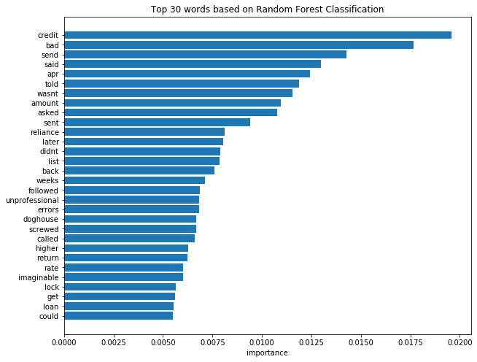
Binary Classification was performed using multiple algorithms to classify star ratings into 5star rating or non5star rating

Algorithm Used :
1 | Naïve Bayes Classifier
2 | Random Forest Classifier
3 | AdaBoost Classfier
4 | MLP Classifier

Vectorizers used for creating Term Matrix :
1 | TFIDF Vectorizer
2 | Count Vectorizer

selecting best model :
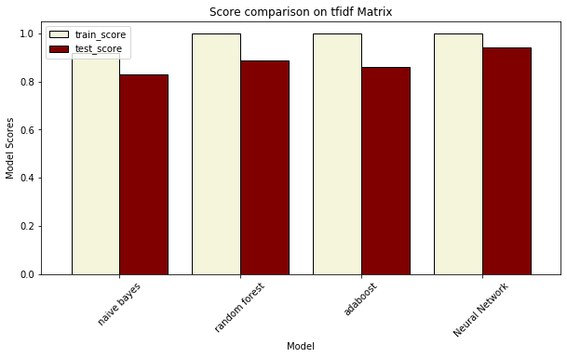
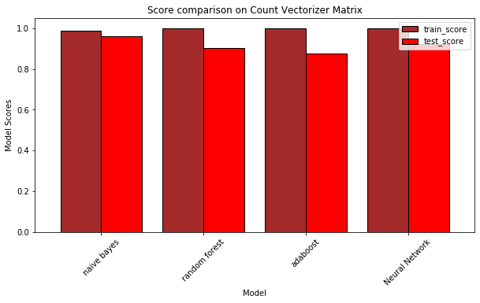

 | Naïve Bayes model output built on Count Vectorizer Matrix was selected

Model validation

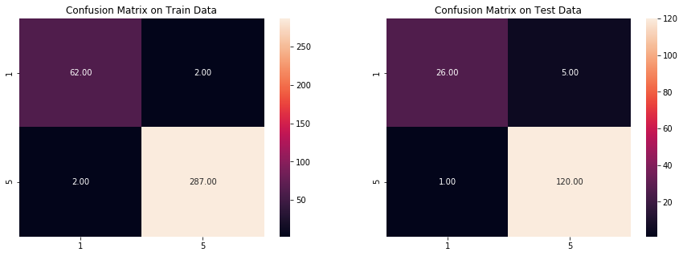
 |  | Interpretation of Confusion Matrix
 |  | During Training the Model :
 |  | 2 out of 64 1-star rating was predicted as 5.
 |  | 2 out of 289 5-star rating was predicted as 1.

 |  | During Testing the Model Performance :
 |  | 5 out of 31 1-star rating was predicted as 5.
 |  | 1 out of 121 5-star rating was predicted as 1.

word importance
Following are top 30 words based on importance towards classifying the ratings as 5star or 1star.

